Sheet1
Angle in degrees | Sine | Angle in Radians | n1h1 | n2h1 | n1h2 | n2h2 | Output by the Network | 0.52773407786 | Sum Squared Diff
0 | 0 | 0 | 0.41196932299 | 0.41196932299 | 0.56615624567 | 0.62674435073 | 0.57535664109 | Use solver to minimise this value by adjusting all the weights and bias values
30 | 0.5 | 0.5235987756 | 0.50651118966 | 0.46998198242 | 0.58003456042 | 0.65074678394 | 0.60182564399 |  |  |  |  |  |  | Randoms - Copy "Values"
45 | 0.707 | 0.7853981634 | 0.55403427699 | 0.4993975381 | 0.58699312606 | 0.66258067804 | 0.61496722474 |  |  |  | w1 | w2 | b1 | w1 | w2 | b1
60 | 0.866 | 1.0471975512 | 0.60058967507 | 0.52881726473 | 0.59384364322 | 0.67407890327 | 0.6278064883 |  |  |  | 0.72933031811 | 0.44998880595 | 0.35583023053 | 0.34970664333 | 0.64687804028 | 0.03184104295
90 | 1 | 1.5707963268 | 0.68778820346 | 0.58686260906 | 0.60689912719 | 0.69552167295 | 0.65197102003
 |  |  |  |  |  |  |  |  |  |  | w3 | w4 | b2 | w3 | w4 | b2
YouTube: | https://www.youtube.com/watch?v=8TWHUkVQVts |  |  |  |  |  |  |  |  |  | 0.31678164955 | 0.46163204706 | 0.05449692727 | 0.20751568205 | 0.58351671352 | 0.59697193168
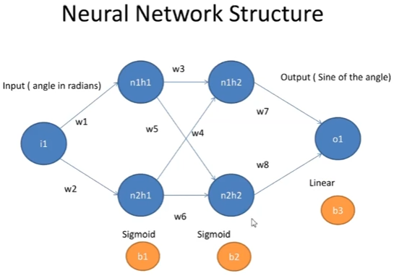
 |  |  |  |  |  |  |  |  |  |  | w5 | w6 |  | w5 | w6
 |  |  |  |  |  |  |  |  |  |  | 0.64035541995 | 0.74997159485 |  | 0.62902375616 | 0.89335806981

 |  |  |  |  |  |  |  |  |  |  | w7 | w8 | b3 | w7 | w8 | b3
 |  |  |  |  |  |  |  |  |  |  | 0.78857135618 | 0.64680781643 | 0.27648110232 | 0.6633309612 | 0.47585625428 | 0.52421418928

 |  |  |  |  |  |  |  |  | Sigmoid (t) = 1 / ( 1 + Exp( -t ) )

 |  |  |  |  |  |  |  |  | n1h1: | Sigmoid( Angle * w1 - b1 )
 |  |  |  |  |  |  |  |  | n2h1: | Sigmoid( Angle * w2 - b1 )
 |  |  |  |  |  |  |  |  | n1h2: | Sigmoid( n1h1 * w3 + n2h1 * w4 - b2 )
 |  |  |  |  |  |  |  |  | n2h2: | Sigmoid( n1h1 * w5 + n2h1 * w6 - b2 )
 |  |  |  |  |  |  |  |  | Output: | n1h2 * w7 + n2h2 * w8 - b3

Variance of Model

Test Model
Angle | Sin | Radians | Nodes |  |  |  | Output | Variance
0 | 0 | 0 | 0.41196932299 | 0.41196932299 | 0.56615624567 | 0.62674435073 | 0.57535664109 | 0.57535664109
10 | 0.17364817767 | 0.1745329252 | 0.44311286517 | 0.43111771276 | 0.57074487072 | 0.6347336935 | 0.58414266872 | 0.41049449105
20 | 0.34202014333 | 0.3490658504 | 0.47471011893 | 0.45047430236 | 0.575379966 | 0.64275210608 | 0.59298414403 | 0.2509640007
30 | 0.5 | 0.5235987756 | 0.50651118966 | 0.46998198242 | 0.58003456042 | 0.65074678394 | 0.60182564399 | 0.10182564399
40 | 0.64278760969 | 0.6981317008 | 0.53825966005 | 0.48958181307 | 0.5846812454 | 0.65866552991 | 0.61061179346 | -0.032175816227
50 | 0.76604444312 | 0.872664626 | 0.56970080213 | 0.50921372751 | 0.58929294182 | 0.66645834967 | 0.61928890189 | -0.14675554123
60 | 0.86602540378 | 1.0471975512 | 0.60058967507 | 0.52881726473 | 0.59384364322 | 0.67407890327 | 0.6278064883 | -0.23821891548
70 | 0.93969262079 | 1.2217304764 | 0.63069856864 | 0.54833231243 | 0.59830908819 | 0.68148571792 | 0.6361185959 | -0.30357402488
80 | 0.98480775301 | 1.3962634016 | 0.65982332624 | 0.56769984093 | 0.60266732298 | 0.68864309441 | 0.64418482208 | -0.34062293094
90 | 1 | 1.5707963268 | 0.68778820346 | 0.58686260906 | 0.60689912719 | 0.69552167295 | 0.65197102003 | -0.34802897997
37 | 0.60181502315 | 0.64577182324 | 0.52875591715 | 0.48369574782 | 0.58328969594 | 0.65630091218 | 0.60798500418 | 0.0061699810295

